Sheet1
From Brett et al. 2009 PNAS, Taipale et al 2015 J. Plankton Res., and Taipale et al 2013 aquatic microbial ecology

 |  |  | amount synthesized
 | FA | "Diagnostic" | a lot | some | a little | none
 | EPA(20:5v3) | cryptomonas |  | diatom, cryptophyte | green algae, cyanobacteria | plants
 | DHA |  |  | diatom, cryptophyte | green algae, cyanobacteria | plants
 | a-linolenic acid (18:3w3) | Scenedesmus | cryptophyte | green algae, cyanobacteria, plants
 | Unusual 16 carbon chain polyunsaturated fatty acids (16:2v6, 16:3v3 and 16:4v3) | Scenedesmus
 | linoleic acid (18:2w6) | Scenedesmus | fungi
 | Stearidonic acid (18:4v3) | cryptomonas | cryptophyte | green algae, cyanobacteria
 | high-proportion saturated FA (79+12%) |  | tPOM
 | long-chain SAFA (20:0, 22:0, 24:0, 26:0, 28:0) | tPOM (especially temperate deciduous, also reed and peat)*
 | shorter chain SAFA (16:0 and 18:0) |  | tPOM
 | 16:1v7 and 18:1v7 |  | gram negative heterotrophic bacteria
 | oleic acid |  | fungi
 | 16:4ω3 and 16:3ω3 | Chlorophyceae and Trebouxiophyceae
 | 16:2ω7, 16:2ω4, 16:3ω4, 16:4ω1, and 18:4ω4 | Bacillariophyceae
 | 22:5ω6 and 18:4ω3 | Cryptophyceae and Chrysophyceae (Synurales)
 | 16:3ω1 | Chrysophyceae (Ochromonadales)
 | 16:2ω4, 16:3ω4, 16:3ω1, and 20:3ω3 | Raphidophyceae
 | 15:4ω2, 20:4ω3, 20:2ω6, 20:3ω6, and 22:4ω6 | Euglenophyceae
new starts here, see lowe galloway yeung for table of sources (these are from their study, but some are apparently corroborated) | c15:0 | bacteria
 | i17:0 | bacteria
 | c17:0 | bacteria
 | 18:1n7 | bacteria
 | all 16:1 | diatom
 | 16:3n4 | radiophytes
 | 16:4n1 | diatom
 | c18:0 | detritus
 | 18:1n7 | bacteria
 | 18:3n3 | terrest, seagrass, green/brown macroalgae
 | 18:5n1 | diatom
 | c20:0 | dinoflag
 | 20:1n9 | zoop
 | 20:1n7 | zoop
 | 20:4n6 | macroalg
 | 20:5n3 | diatom, red/brown algae
 | c22:0 | terrest
 | 22:1n9 | zoop
 | 22:6n3 | dinoflag
 | c24:0 | terrest, seagrass
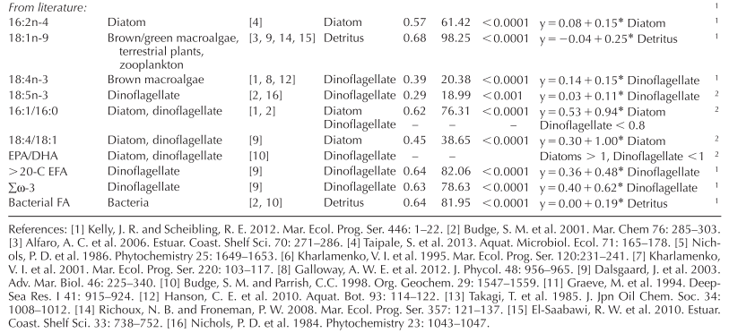
these are from literature
 | 16:2n4 | diatom
 | 18:1n9 | brown/green macroalg, terrest, zoop
 | 18:4n3 | brown macro
 | 18:5n3 | dinoflag
 | 16:0 and 16:1
from the dalsgaard book
 | 15:0, 15:1, 17:0, 17:1 trans, cyclopropyl | bacteria
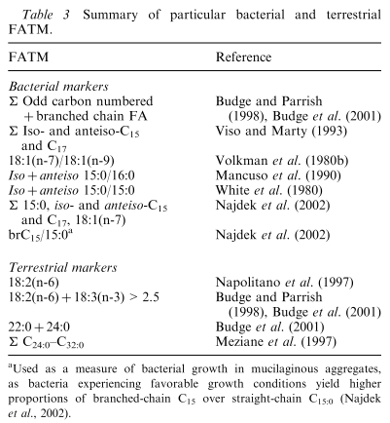

 | 16:3, 16:4, 18:3, 18:4 | algal
 | 16:1n7, 18:1n7 | bacterial
from adriannes paper | LIN, ALA, EPA, c16 PUFAS | aquatic (green algae and diatoms)
 | branched FA | bacterial
 | 16:1n8 and 18:1n8 | methane oxidizers
 | 16:1n5 | sulfate reducing bacteria
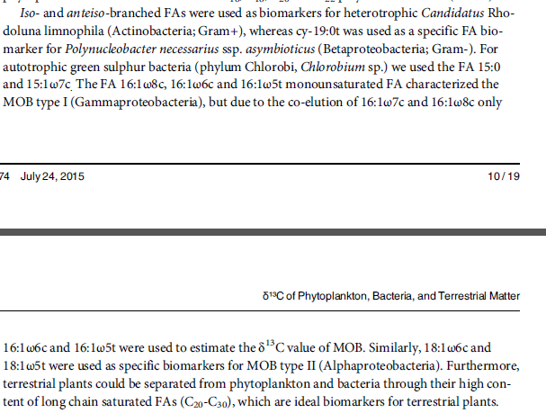
taipale peltomaa 2015
 | any omega 3 or 6 cant be terrestrial plant

 | *Note - 20:0 and 22:0 are also found in chlorophyceae
 | cyanobacteria and plants often have high proportion saturated FAs
 | bacteria synthesize very little omega 3 and 6 PUFA
 | w-3/w-6 ratio another diagnoser: terrestrial = 0.3-1.6, phytoplankton = 3-15 (ratio in daphnia strongly correlated with diet: R^2 = 0.88)
 | there is no specific fatty acid that can be used as a diagnostic tracer for terrestrial resources in Daphnia
 | dietary w-6 Fas are efficiently tracked (retained) in daphnia
 | Chlorophyceae, Trebouxiophyceae, and Chrysophyceae are of intermediate food quality for zooplankton, and Cryptophyceae, Bacillariophyceae, Euglenophyceae, and Raphidophyceae should be excellent resources for zooplankton
 | see table 6.2 in Brett chapter 6 for ratios of FA classes in freshwater phytos

